Q1.3
commute | FALSE
 | Trips_express | Trips_Pool
700-799 |  | 1
800-899 |  | 1
900-999 |  | 3
1000-1099 |  | 9
1100-1199 |  | 10
1200-1299 |  | 15
1300-1399 |  | 18
1400-1499 |  | 17
1500-1599 |  | 13
1600-1699 | 1 | 8
1700-1799 |  | 5
1800-1899 | 3 | 3
1900-1999 | 9 | 2
2000-2099 | 11
2100-2199 | 7
2200-2299 | 16 | 1
2300-2399 | 11
2400-2499 | 15
2500-2599 | 15
2600-2699 | 7
2700-2799 | 5
2900-2999 | 2
3000-3099 | 1
3100-3199 | 2
3200-3299 | 1
Count of Number of trips | Column Labels
Row Labels | Trips_express | Trips_Pool | Grand Total
700-799 |  | 1 | 1
800-899 |  | 1 | 1
900-999 |  | 3 | 3
1000-1099 |  | 9 | 9
1100-1199 |  | 10 | 10
1200-1299 |  | 15 | 15
1300-1399 |  | 18 | 18
1400-1499 |  | 17 | 17
1500-1599 |  | 13 | 13
1600-1699 | 1 | 8 | 9
1700-1799 |  | 5 | 5
1800-1899 | 3 | 3 | 6
1900-1999 | 9 | 2 | 11
2000-2099 | 11 |  | 11
2100-2199 | 7 |  | 7
2200-2299 | 16 | 1 | 17
2300-2399 | 11 |  | 11
2400-2499 | 15 |  | 15
2500-2599 | 15 |  | 15
2600-2699 | 7 |  | 7
2700-2799 | 5 |  | 5
2900-2999 | 2 |  | 2
3000-3099 | 1 |  | 1
3100-3199 | 2 |  | 2
3200-3299 | 1 |  | 1
Grand Total | 106 | 106 | 212

Q1.4
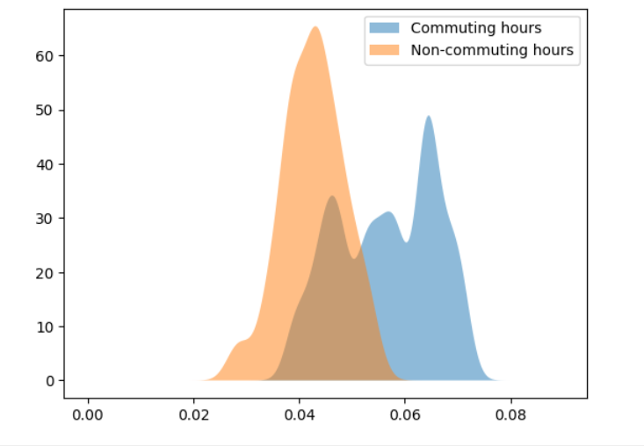
Screenshot of code in Google colab

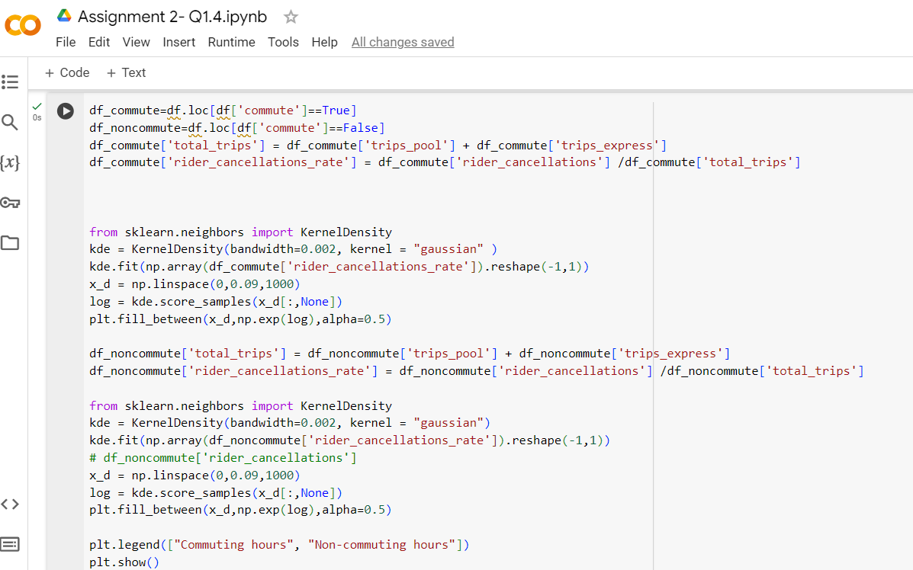

 | The bandwidth was chosen to get the best possible smooth curve. A little trial and error was also required.

